Description
Mess Management Project

Story:
This Project captures key entities (stakeholders) in daily operations of an MBA College Mess, their relationship with each other. This Project will help us in clear understanding of the data structure and help us in minimizing redundancy problems.

ERR Diagram
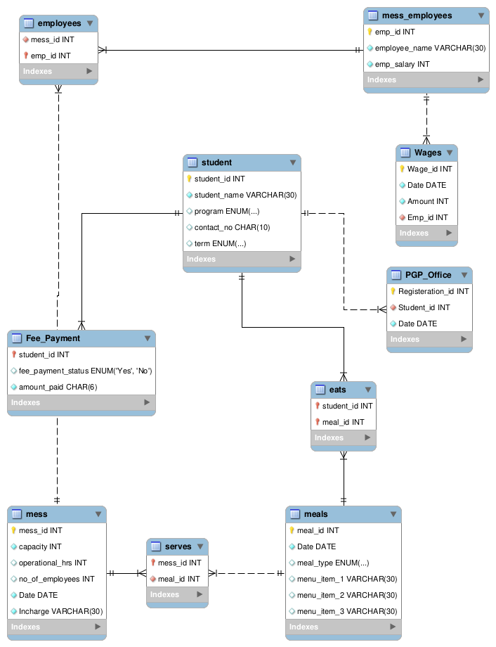
ERR Diagram

